How_to_use_the_DataDict
Information about the MCS Longitudinal Data Dictionary | Column Names | Description
The Longitdinal Data Dictionary of the Millennium Cohort Study is a list of variables that are available for research across sweeps. | CLS_variable_code | Please use this, variable name and dataset name to indicate a variable for queries to help@ukdataservice.ac.uk
It does not replace resources such as the questionnaires documents or the data user guides. Please visit the cls.ucl.ac.uk for information on the Cohort Studies. | CLS_questionnaire_CAPI_code | CAPI code linking the variable to the questionnaire.
It is work in progress as seen in 'Description' of column E. | CLS_questionnaire_general_section | [Work in Progress] General questionnaire section.
The Data Dictionary will be updated frequently (estimated every 3 months) with future data releases and with additional sheet on the Linked/Administrative data. | CLS_questionnaire_section_or_scale | [Work in Progress] Name/title of the questionnaire section (topic) or scale (e.g. SDQ)
Please download the latest version (date in the filename suffix) when starting a new project. | CLS_collection_instrument | [Work in Progress] How the data of the variable were collected? The majority is survey response, but it can also be interviewer observation, paradata, derived by CLS or the data collection agency, information automatically recorded by the CAPI software, etc.
Visualisations on the data structures | CLS_information_provider | [Work in Progress] Who was the respondent or provider of the information? Some of the information came from the parents, some from the child (either through interview or through measurements and assessments), some is interviewer observations, etc.
More information is available in the MCS1-5 User Guide (data section) and in the Data Handling Guide. | CLOSER_platform_topic | Topic used in CLOSER Data Discovery platform for research across longitudinal studies.
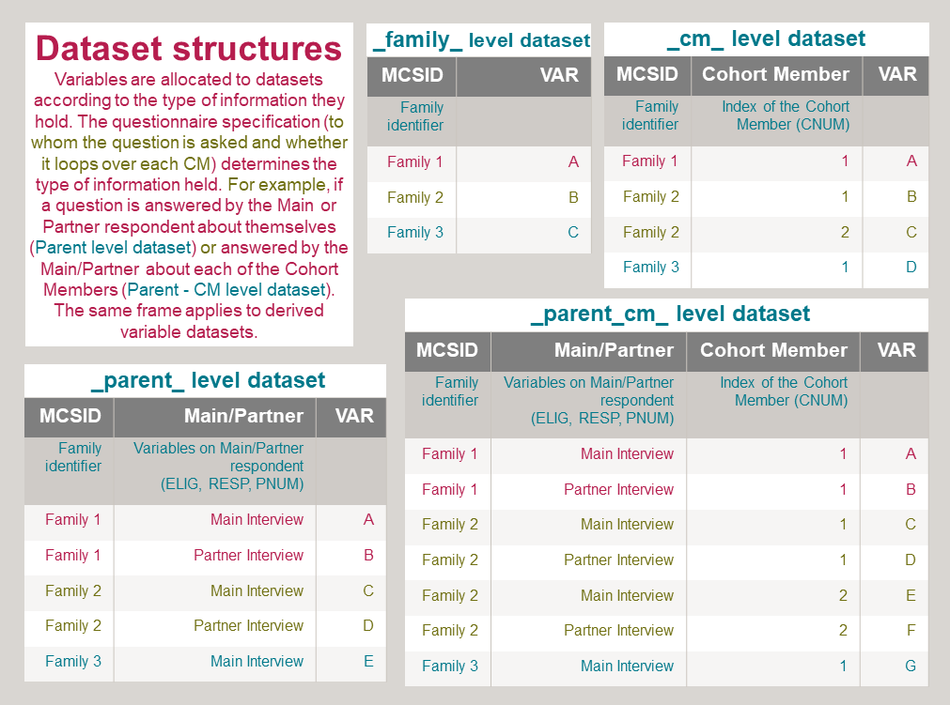
 | Sweep-Year-Age | The number of the sweep, the year of data collection and average age of the Cohort Members
 | licence_location_of_dataset | Data available under End User Licence or through Secure Access, SN title
 | dataset_name | Dataset name
 | var_order | Variable order within a dataset
 | variable_name | Variable name
 | variable_label | Variable label

